Sheet1
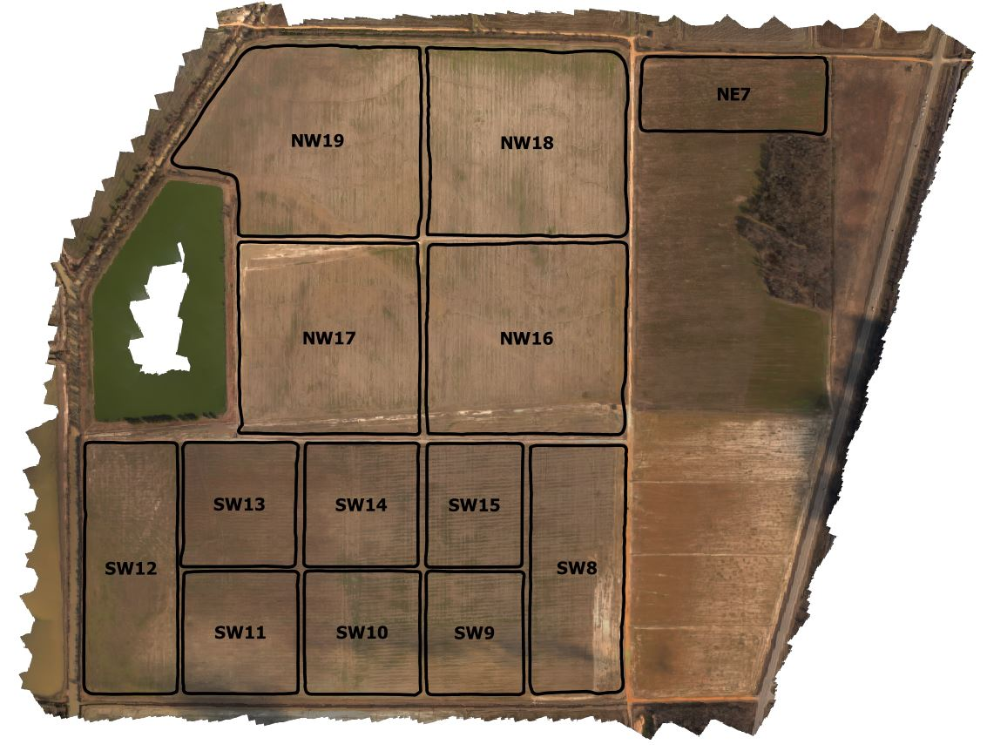
NERREC Soil Data Averages Fall 2020
All data taken from grid points samples per FieldID, then averaged.

 | FieldID | pH | P (ppm) | K (ppm) | Zn (ppm) | OM (%)
 | NW16 | 6.47 | 29.45 | 46.25 | 1.41 | 1.67
 | NW17 | 6.18 | 38.50 | 66.60 | 1.53 | 1.87
 | NW18 | 6.28 | 42.05 | 66.55 | 1.82 | 1.53
 | NW19 | 6.06 | 67.24 | 120.81 | 2.07 | 2.28

 | SW8 | 6.65 | 13.67 | 38.08 | 1.31 | 1.29
 | SW9 | 6.12 | 29.67 | 56.67 | 2.75 | 1.65
 | SW10 | 6.25 | 30.33 | 68.83 | 1.98 | 1.63
 | SW11 | 6.12 | 43.33 | 81.50 | 1.70 | 1.68
 | SW12 | 5.90 | 66.58 | 139.83 | 2.64 | 2.33
 | SW13 | 6.10 | 34.33 | 79.17 | 1.88 | 2.05
 | SW14 | 6.20 | 37.83 | 71.33 | 1.77 | 1.83
 | SW15 | 6.08 | 30.33 | 43.50 | 2.55 | 1.88

 | NE7 | 5.81 | 46.39 | 55.89 | 2.27 | 1.97

 | Color Scales
 | Green | Optimum | >36 | >131 | >4.1
 | Yellow | Medium | 26 | 91 | 2.6
 | Red | Low | <26 | <91 | <2.6

